input_output_intervals
compositions of the input should be as followed
components compostion
glu, prot 0.2, 0.8
so cool ideas
1) error mesaging while reading the excel
2° could keep the interval names (in the code) as capital letters -> no replace conflicts no more
3° write ALL eqation to the objects, read the equations there in stead of making it messy which blocks
layer | process_intervals | lower_bound | upper_bound | input_price | output_price | components | composition
1 | carbon_input1 | 0 | 100 | 0.57 | 0 | glu | 1
1 | carbon_input2 | 0 | 100 | 0.39 | 0 | fru | 1
3 | acetate | 0 | None | 0 | 1.15 | ace | 0
3 | propionate | 0 | None | 0 | 1.26 | prop | 0

process_intervals
process_intervals | layer | interval_bounds | inputs | input_bounds | outputs | is_SBML (not really used) | reaction_model | seperation_coef | has_waste | capital_investment | has_utility | utility_price
P_acidi_batch | 2 | [0,1000] | glu, fru | 0 | ace,prop | 1 | PAC_4875_model.json | [1,0];[0,1] | 0 | 100 | energy | 2
P_freu_batch | 2 | [0,1000] | glu, fru | 0 | ace,prop | 1 | P_sherm_model.json | [1,0];[0,1] | 0 | 100 | energy | 2
P_avi_batch | 2 | [0,1000] | glu, fru | 0 | ace,prop | 1 | P_avidum_model.json | [1,0];[0,1] | 0 | 100 | energy | 2
P_acn_batch | 2 | [0,1000] | glu, fru | 0 | ace,prop | 1 | P_acnes_model.json | [1,0];[0,1] | 0 | 100 | energy | 2
P_pro_batch | 2 | [0,1000] | glu, fru | 0 | ace,prop | 1 | P_propionicum_model.json | [1,0];[0,1] | 0 | 100 | energy | 2
open_fermentation | 2 | [0,1000] | glu, pH | {'pH':[5,8.5]} | ace, prop | 0 | open_fermentation_polynomial_ESCAPE33.json | [1,0];[0,1] | 0 | 100 | energy | 2

HOW SEPARATION WORKS
sep1 is first set of bounds sep2 second ect ect...
order of seperated compounds is order found in column OUTPUTS
eg: outputs = ace, lac , but
separation_coef = [1 0 0] ; [0 1 1]
then get a dictionarly like this:
{'sep1': {'ace': 1.0, 'lac': 1.0, 'but': 0.0},
'sep2': {'ace': 0.0, 'lac': 0.0, 'but: 1.0}}
HOW UTILITY WORKS
eg:
utilty = energy
price = 2 euro per kg produced in the reactor

models
model_name | SBML_input_ID | input_name | input_abrr | yield_of | SBML_output_ID | output_name | output_abrr
PAC_4875_model.json | Ex_S_cpd00027_ext, Ex_S_cpd00082_ext | D-Glucose, D-Fructose | glu,fru | glu OR fru | Ex_S_cpd00141_ext, Ex_S_cpd00029_ext | Propionate, Acetate | prop, ace
P_sherm_model.json | Ex_S_cpd00027_ext, Ex_S_cpd00082_ext | D-Glucose, D-Fructose | glu,fru | glu OR fru | Ex_S_cpd00141_ext, Ex_S_cpd00029_ext | Propionate, Acetate | prop, ace
P_avidum_model.json | Ex_S_cpd00027_ext, Ex_S_cpd00082_ext | D-Glucose, D-Fructose | glu,fru | glu OR fru | Ex_S_cpd00141_ext, Ex_S_cpd00029_ext | Propionate, Acetate | prop, ace
P_acnes_model.json | Ex_S_cpd00027_ext, Ex_S_cpd00082_ext | D-Glucose, D-Fructose | glu,fru | glu OR fru | Ex_S_cpd00141_ext, Ex_S_cpd00029_ext | Propionate, Acetate | prop, ace
P_propionicum_model.json | Ex_S_cpd00027_ext, Ex_S_cpd00082_ext | D-Glucose, D-Fructose | glu,fru | glu OR fru | Ex_S_cpd00141_ext, Ex_S_cpd00029_ext | Propionate, Acetate | prop, ace
open_fermentation_polynomial_ESCAPE33.json | 0 | Glucose, pH | glu,pH | glu | 0 | Propionate, Acetate, Butyrate | prop, ace, but

HOW MODELS WORKS
based on how the models are named (.xml or .json) the equations are made
for sbml the exchqnge reations of a component are needed to run the FBA
for other models a json object can be made saved and read in to make a equation
to get the right names in the equations the original names (input/output_name) used in the models and their abbreviation (input/output_abbr). that are used iin the new equations needs to be given
eg for the json model the following dictionary is made to be able top replace the original variable with the new abbreviation:
abbrDict = { glucose: glu
Propionate:prop
pH : pH}
YIELD OF
the sum of what the conversion factor or yield needs to be multiplied by
one component: glu
multiple components: (glu + prot)
CAREFULL don't forget brackets whith multiple components

IDEA for yield_of
point of yield_of is to know what to multiply the yield of.
e.g. in the case of the bio-energetic model of Alberte
propionate = cv * (glucose + protein)
but for SBML models we want to still be able to seperate the substrates so we can add boolean variables if necesary e.g.,
propionate = cv1 * glucose *y1(bool) + cv2 * fructose* y2(bool)
so to distinguish between these cases in the colums in the column yield_of wrtite:
glucose AND Protein : propionate = cv * (glucose + protein)
glucose OR frucose : propionate = cv1 * glucose + cv2 * fructose

connection_matrix
connect by looking at which streams connect to the next intervall (i.e wat are the reactor inputs and how are they connected to their outputs)
0 -> not connencted
1 -> connected
mix in the same colunm indiacte that the outputs of the intervals are mixed
sep_nr = define which seperation stream goes where
split_nr = define which split stream goes where
options :
bool, split, sep 0 or 1
can be a combination
process_intervals | carbon_input1 | carbon_input2 | P_acidi_batch | P_freu_batch | P_avi_batch | P_acn_batch | P_pro_batch | open_fermentation | acetate | propionate
carbon_input1 | y1 | 0 | bool | bool | bool | bool | bool | bool | 0 | 0
carbon_input2 | 0 | y2 | bool | bool | bool | bool | bool | 0 | 0 | 0
P_acidi_batch | 0 | 0 | 0 | 0 | 0 | 0 | 0 | 0 | sep1 | sep2
P_freu_batch | 0 | 0 | 0 | 0 | 0 | 0 | 0 | 0 | sep1 | sep2
P_avi_batch | 0 | 0 | 0 | 0 | 0 | 0 | 0 | 0 | sep1 | sep2
P_acn_batch | 0 | 0 | 0 | 0 | 0 | 0 | 0 | 0 | sep1 | sep2
P_pro_batch | 0 | 0 | 0 | 0 | 0 | 0 | 0 | 0 | sep1 | sep2
open_fermentation | 0 | 0 | 0 | 0 | 0 | 0 | 0 | 0 | sep1 | sep2
acetate | 0 | 0 | 0 | 0 | 0 | 0 | 0 | 0 | 0 | 0
propionate | 0 | 0 | 0 | 0 | 0 | 0 | 0 | 0 | 0 | 0
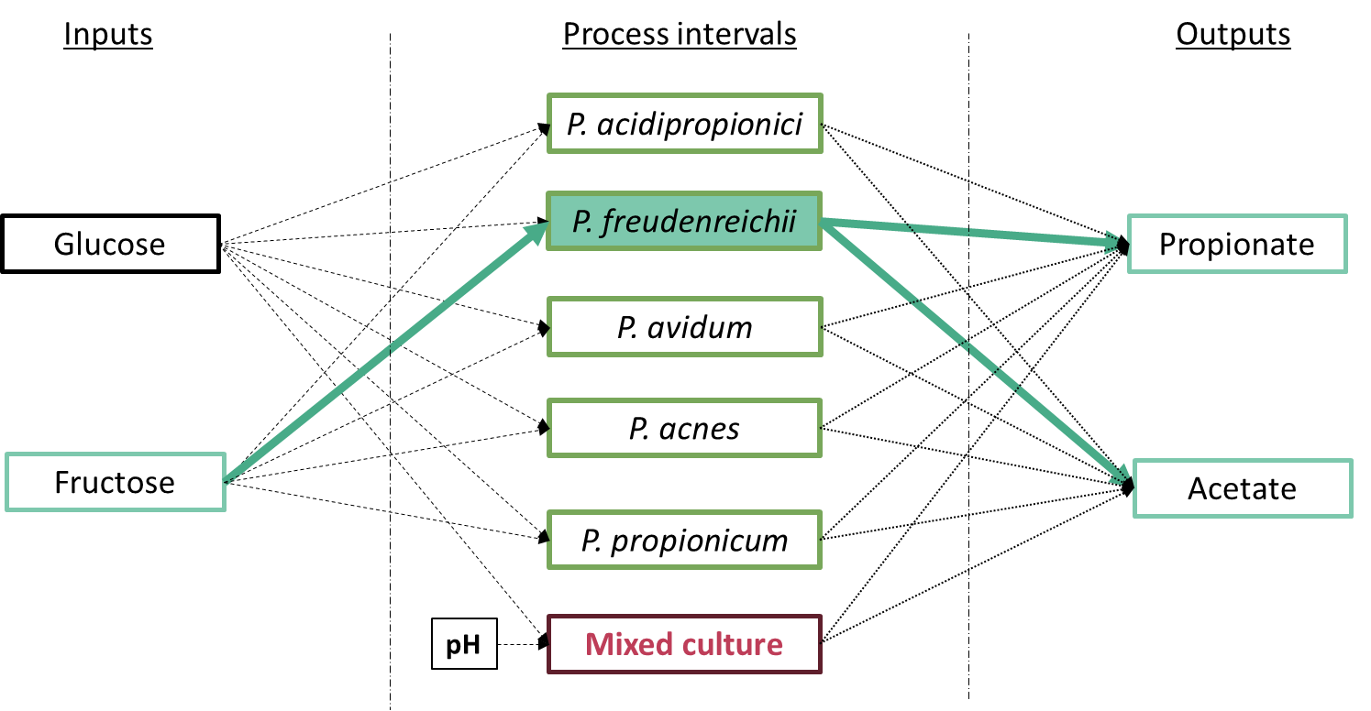
green matrix:
say from the all the posible substrate or from a subset of them, you only want to select one possibilty! you can by definbing the boolean variable in the diagonal of the green matix. in this case only one carbon source can be choosen because the equation y1 + y2 == 1
for a more complecated example see test_area

test_Area
connect by looking at which streams connect to the next intervall (i.e wat are the reactor inputs and how are they connected to their outputs)
0 -> not connencted
1 -> connected
mix in the same colunm indiacte that the outputs of the intervals are mixed
sep_nr = define which seperation stream goes where
split_nr = define which split stream goes where
options :
bool, split, sep 0 or 1
can be a combination
process_intervals | carbon_input1 | carbon_input2 | protein | P_acidi_batch | P_freu_batch | P_avi_batch | P_acn_batch | P_pro_batch | open_fermentation | acetate | propionate
carbon_input1 | y1 | 0 | 0 | bool | bool | bool | bool | bool | bool | 0 | 0
carbon_input2 | 0 | y2 | 0 | bool | bool | bool | bool | bool | 0 | 0 | 0
protein | 0 | 0 | y1 | 0 | 0 | 0 | 0 | 0 | 0 | sep1 | sep2
P_acidi_batch | 0 | 0 | 0 | 0 | 0 | 0 | 0 | 0 | 0 | sep1 | sep2
P_freu_batch | 0 | 0 | 0 | 0 | 0 | 0 | 0 | 0 | 0 | sep1 | sep2
P_avi_batch | 0 | 0 | 0 | 0 | 0 | 0 | 0 | 0 | 0 | sep1 | sep2
P_acn_batch | 0 | 0 | 0 | 0 | 0 | 0 | 0 | 0 | 0 | sep1 | sep2
P_pro_batch | 0 | 0 | 0 | 0 | 0 | 0 | 0 | 0 | 0 | sep1 | sep2
open_fermentation | 0 | 0 | 0 | 0 | 0 | 0 | 0 | 0 | 0 | 0 | 0
acetate | 0 | 0 | 0 | 0 | 0 | 0 | 0 | 0 | 0 | 0 | 0
propionate | 0 | 0 | 0 | 0 | 0 | 0 | 0 | 0 | 0 | 0 | 0

green matrix:
here we have three inputs where if carbon_input1 is selected then protein MUST also be selected. Hence the diagonal of carbon_input1 and protein both have the same boolean variable i.e., y1

